Sheet1
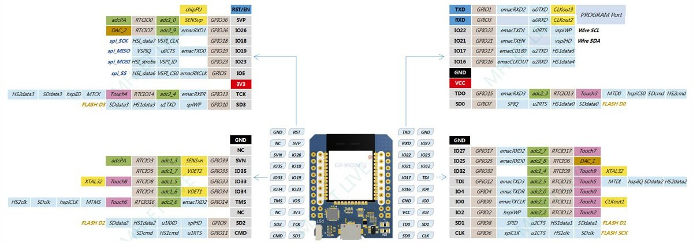
GPIO | This project | Input | Output | Function | Notes
0 |  | pulled up | OK |  | outputs PWM signal at boot
1 |  | TX pin | OK | UART0 TXD | debug output at boot
2 |  | OK | OK |  | connected to on-board LED
3 |  | OK | RX pin | UART0 RXD | HIGH at boot
4 |  | OK | OK
5 |  | OK | OK | VSPI CS0 | outputs PWM signal at boot
6 |  | x | x |  | connected to the integrated SPI flash
7 |  | x | x |  | connected to the integrated SPI flash
8 |  | x | x |  | connected to the integrated SPI flash
9 |  | x | x | UART1 TXD | connected to the integrated SPI flash
10 |  | x | x | UART1 RXD | connected to the integrated SPI flash
11 |  | x | x |  | connected to the integrated SPI flash
12 |  | OK | OK | HSPI MISO | boot fail if pulled high
13 | Button 1 | OK | OK | HSPI MOSI
14 | Button 2 | OK | OK | HSPI CLOCK | outputs PWM signal at boot
15 |  | OK | OK | HSPI CS0 | outputs PWM signal at boot
16 | Screen RST | OK | OK
17 | Screen BK | OK | OK
18 | Screen VSPI SCK | OK | OK | VSPI CLOCK
19 |  | OK | OK | VSPI MISO
21 | Trig | OK | OK | I²C0 SDA
22 | Echo | OK | OK | I²C0 SCL
23 | Screen VSPI MOSI | OK | OK | VSPI MOSI
25 | Screen VSPI DC | OK | OK
26 | Stepper motor A | OK | OK
27 | Stepper motor B | OK | OK
32 | Stepper motor C | OK | OK
33 | Stepper motor D | OK | OK
34 |  | OK |  |  | input only
35 |  | OK |  |  | input only
36 |  | OK |  |  | input only
39 |  | OK |  |  | input only

